Sheet1
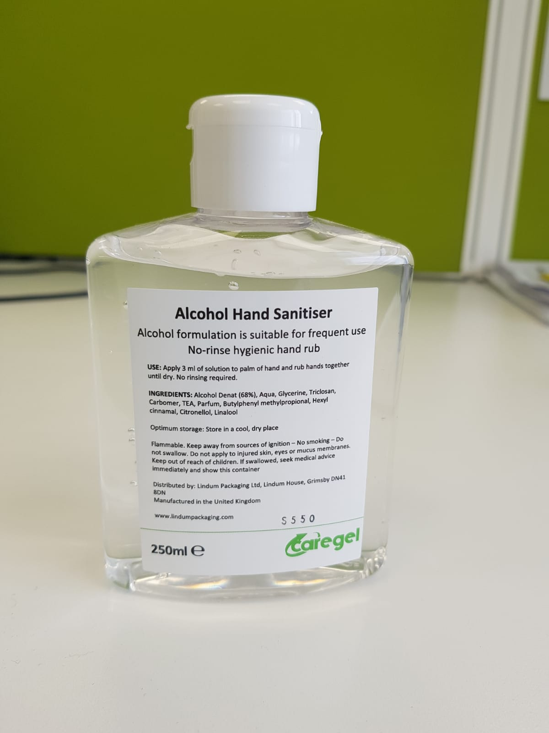
VariantCode | VariantDescription | Qty | No. of pallets
60.HANSAN120ML | Hand Sanitizer 120ml Box of 68 | 101,305 | 23
CG236HP | Sante Alcohol Hand Sanitizer 236mm Hand Pump Box of 24 | 75,635 | 21
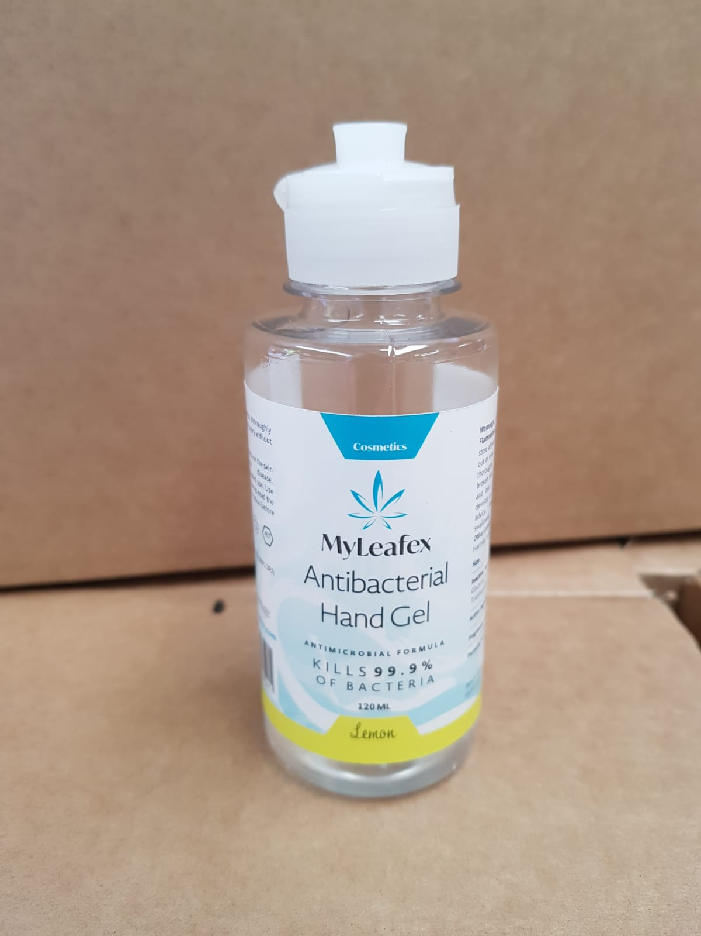
60.PR1269HSG | Caregel Hand Sanitising Gel 250ml Box of 24 | 35,000 | 15
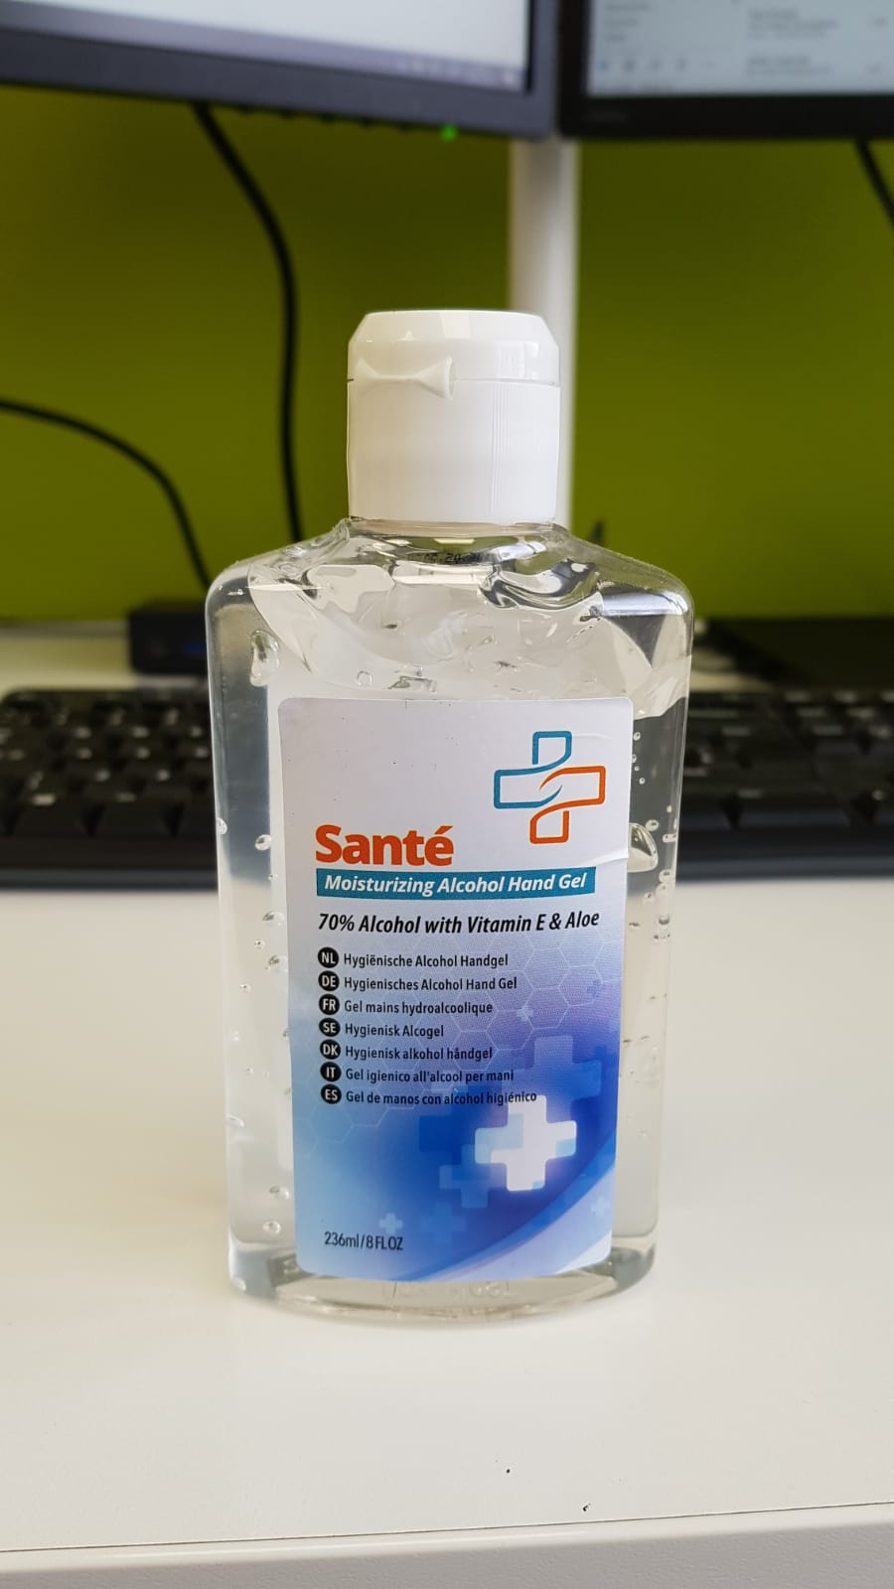
 |  | 211,940 | 59

